Sheet1
Group Member | Start Time | Duration | Responsibility
Thanasis | 2023-08-20 | Start of Oct | Gripper
Sean | 2023-07-30 |  | ROS
Nick | Anytime |  | Vision
Qiyang | Anytime |  | Gripper
Alex | 2023-08-28 |  | ROS

To do list:
1. Find some workshop papers, example, understand structure
2. Clarify our goal

Vision |  |  |  | Relevant Link
1. Advanced segmentation | (increase precision)
2. Point of interest calculation
3. Environment construction using point cloud |  |  |  | https://ww2.mathworks.cn/help/robotics/ug/pick-and-place-gazebo-with-point-clouds-and-rrt.html
4. Localisation within gripper
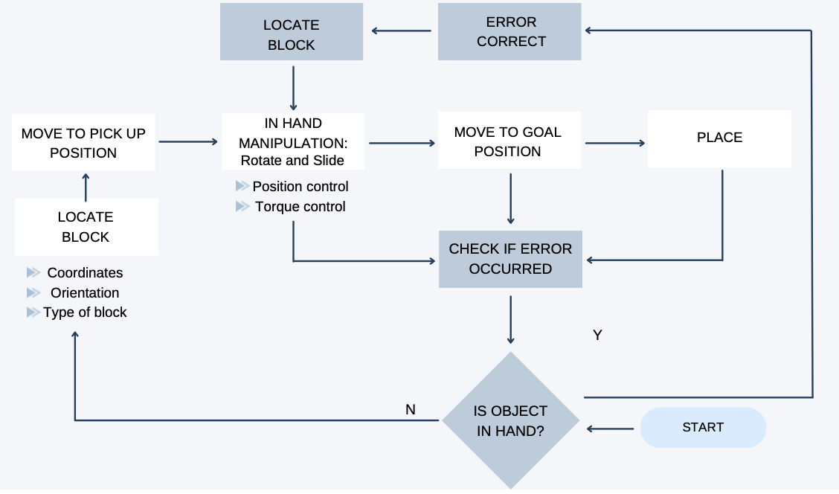
5. Localisation outside the gripper (block and hole)

Gripper
1. Improve slide and rotation precision
2. Extend to multiple shapes through learning based method
3. Close loop with vision
4. Advanced control method

Arm/ROS
1. Advanced trajectory Planning based on point cloud
2. Allow restarts or re-pick-up the dropped block
3. Close loop with vision (after or before gripper close loop)
4. safety measures (stops)
5. limit planning area (prevent it to have wierd movements)
6. Simulate and manually construct the environment for high-level workflow, as benchmark

Task Planning (high level) / Integration
1. Understand the scenario where motion will be limited and has to use gripper (scenarios with a lot hotizontal rotation)
2. Design the testing environment (compare with-IHM and without-IHM)
3. Matlab/Gazebo whole simulation

Questions
1. What are the scenarios ad want us to realise, or give few examples
2. Without gripper trajectory generation, as benchmark for comparison |  |  |  |  | https://ww2.mathworks.cn/help/robotics/ug/pick-and-place-workflow-using-stateflow-and-rrt-planner.html

